Risk scoring & process
1. Conduct a information security risk assessment Identify -> Analyze -> Evaluate -> Treat 2. Identify assets & risks on the basis of loss of C.I.A Triad Identify risk owners 3. Analysis - Assign Likelihood & Impact scores based on asset and factors(discussed below) 4. Information security risk - Evaluate Compare Risk analysis(Risk score results) Vs Risk tolerance(Appetite) levels If Risk score > Risk tolerance -- needs treatment Prioritize accordingly 5. Risk treatment strategy Options - Avoid, Accept, Transfer, Mitigate Based on risk evaluation, strategise what option to take 6. Determine the necessary controls(as per risk treatment option chosen) 7. Map these to the ISO 27001 Annex a controls & make sure no control is omitted 8. Segway into creating the Statement of Applicability

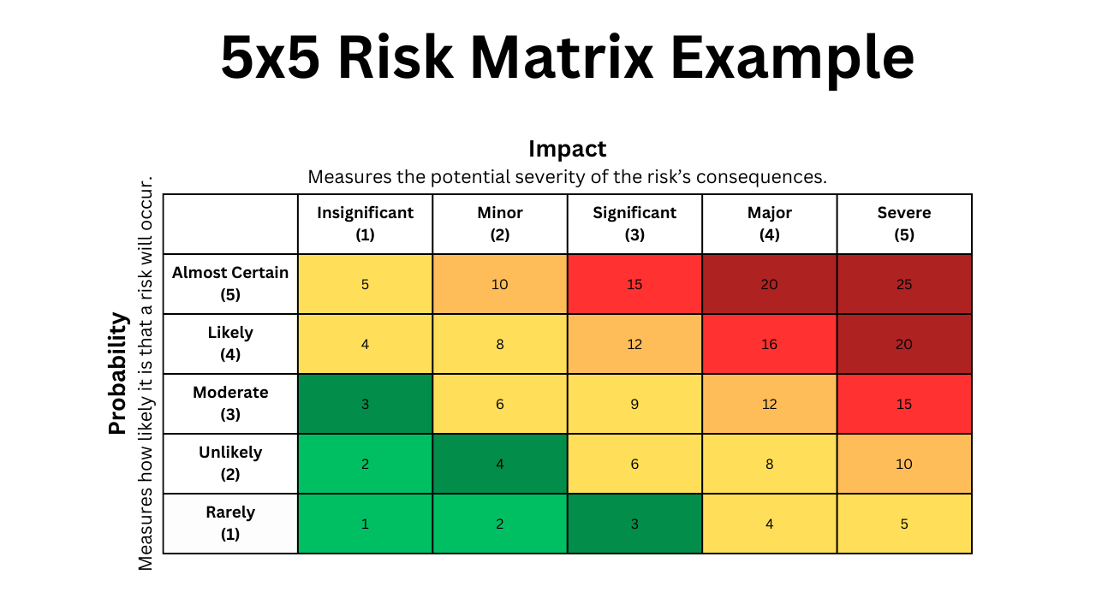
Risk score = Likelihood x Impact |  |  | Generalized criteria to determine Likelihood scores (can vary from business type to type) |  |  | Generalized criteria to determine Impact scores (can vary from business type to type)
 | Residual risk = calculated risk score - applied controls |  | Score | Likelihood | Example | Score | Impact | Example
 |  |  | 1 - Rare | Occurs around 5-10 years | A natural disaster | 1 - Negligible | Little to no impact to operations | A minor non-disruptive technical error with a quick fix | Consider factors like Operational damage OD, Financial loss FL, reputational damage RD, legal and regulatory consequences LRC, business continuity BC to assess Impact score
 |  |  | 2 - Unlikely | occurs once every 2-5 years | A 0-day vulnerability exploit | 2 - Minor | Some impact but recoverable | A short downtime to a non critical system
 |  |  | 3 - Possible | Might happen once a year | Phishing attack on an employee | 3 - Moderate | Considerable impact with some OD or FL but manageable | Temporary loss of access of a critical system(CRM)
 |  |  | 4 - Likely | Expected to happen at least few times a year | Malware injection due to unpatched systems | 4 - Major | Significant impact leading to major financial losses | Data breach involving customer info causing compliance issues
 |  |  | 5 - Almost certain | Highly likely to happen multiple times a year | Unauthorized access attempts on public facing services | 5 - Catastrophic | Severe impact with long lasting damage to BC, reputation or legal standing | Complete loss of critical systems, long term outages or regulatory fines

 |  |  |  | Factors to consider to determine Likelihood and Impact score
 |  |  |  | For | Factor
 |  |  |  | Likelihood | Historical data
 |  |  |  |  | Good judgement
 |  |  |  | Impact | Industry standards
 |  |  |  |  | Org context
 |  |  |  |  | Regulatory requirements

 | Risk Score | Level
 | 1–5 | Low
 | 6–10 | Medium
 | 11–15 | High
 | 16–25 | Critical

